Sheet1
Severity/Priority Scale |  | 1 - Critical | 2 - High | 3 - Mid | 4 - Low
ID | Title | Test Case # | Severity | Priority | Assignee | Status | Environment | Description | Steps to Reproduce | Expected Result | Actual Result | Attachments
1 | Missing explanation about the password field | 1 | 4 | 4 | nameSurname | new | Windows OS / Chrome 114.0.5735.134 | Missing explanation about the password field | 1. Loaded URL: https://qa-task.immedis.com/ 2. Check the "Enter your password" field presents and the spelling is correct | All fields, buttons and hyperlinks present and texts are correct | Missing explanation about the password field | 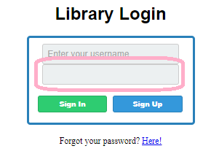
2 | Sign in with wrong password | 3 | 1 | 1 | nameSurname | new | Windows OS / Chrome 114.0.5735.134 | Sign in with wrong password | 1. Enter correct username 2. Enter incorrect password 3. Click on "Sign In" button | The user should not be redirected to the “Users” screen. A proper error message should appear: “The provided credentials are incorrect.” | Sign in with wrong password
3 | Sign in with wrong username | 4 | 1 | 1 | nameSurname | new | Windows OS / Chrome 114.0.5735.134 | Sign in with wrong username | 1. Enter incorrect username 2. Enter correct password 3. Click on "Sign In" button | The user should not be redirected to the “Users” screen. A proper error message should appear: “The provided credentials are incorrect.” | Sign in with wrong username
4 | Sign in with missing password | 5 | 1 | 1 | nameSurname | new | Windows OS / Chrome 114.0.5735.134 | Sign in with missing password | 1. Enter correct username 2. Click on "Sign In" button | The user should not be redirected to the “Users” screen. A proper error message should appear: “The provided credentials are incorrect.” | Sign in with missing password
5 | Sign in with missing username | 6 | 1 | 1 | nameSurname | new | Windows OS / Chrome 114.0.5735.134 | Sign in with missing username | 1. Enter correct password 2. Click on "Sign In" button | The user should not be redirected to the “Users” screen. A proper error message should appear: “The provided credentials are incorrect.” | Sign in with missing username
6 | Sign in with missing credentials | 7 | 1 | 1 | nameSurname | new | Windows OS / Chrome 114.0.5735.134 | Sign in with missing credentials | 1. Click on "Sign In" button | The user should not be redirected to the “Users” screen. A proper error message should appear: “The provided credentials are incorrect.” | Sign in with missing credentials
7 | Clicking on "Sign Up" button leads to home page | 8 | 1 | 1 | nameSurname | new | Windows OS / Chrome 114.0.5735.134 | Clicking on "Sign Up" button leads to home page URL"https://qa-task.immedis.com/" | 1. Click on "Sign Up" button | The user should be redirected to the “Sign Up” screen where he can create a new account. | Clicking on "Sign Up" button leads to home page URL"https://qa-task.immedis.com/"
8 | "Forgot your password? Here" hyperlink leads to HTTP Error 404 | 9 | 1 | 1 | nameSurname | new | Windows OS / Chrome 114.0.5735.134 | "Forgot your password? Here" hyperlink leads to HTTP Error 404 | 1. Click on "Forgot your password? Here" hyperlink | The user will be redirected to the “Forgotten password” screen. He will be asked to provide his email address. | "Forgot your password? Here" hyperlink leads to HTTP Error 404
9 | There is no table in /Users screen | 12 | 3 | 3 | nameSurname | new | Windows OS / Chrome 114.0.5735.134 | There is no table in /Users screen | 1. Check the column "Name" presents and the spelling is correct 2. Check the column "Edit" presents, the spelling is correct and "click" button presents for every entry 3. Check the column "Details" presents, the spelling is correct and "click" button presents for every entry 4. Check the column "Delete" presents, the spelling is correct and "click" button presents for every entry 5. Check the "Create new user" button presents above the table and the spelling is correct | The table, all columns and all buttons present and texts are correct |  There is no table in /Users screen
10 | User screen is named "Index" | 12 | 4 | 4 | nameSurname | new | Windows OS / Chrome 114.0.5735.134 | User screen is named "Index" | 1. Check the column "Name" presents and the spelling is correct 2. Check the column "Edit" presents, the spelling is correct and "click" button presents for every entry 3. Check the column "Details" presents, the spelling is correct and "click" button presents for every entry 4. Check the column "Delete" presents, the spelling is correct and "click" button presents for every entry 5. Check the "Create new user" button presents above the table and the spelling is correct | User screen should be named "Users Screen" | User screen is named "Index"
11 | The buttons for Edit, Details and Delete functionalities are hyperlinks | 12 | 3 | 3 | nameSurname | new | Windows OS / Chrome 114.0.5735.134 | The buttons for Edit, Details and Delete functionalities are hyperlinks | 1. Check the column "Name" presents and the spelling is correct 2. Check the column "Edit" presents, the spelling is correct and "click" button presents for every entry 3. Check the column "Details" presents, the spelling is correct and "click" button presents for every entry 4. Check the column "Delete" presents, the spelling is correct and "click" button presents for every entry 5. Check the "Create new user" button presents above the table and the spelling is correct | The table, all columns and all buttons present and texts are correct | The buttons for Edit, Details and Delete functionalities are hyperlinks
12 | Button "Create new" should be "Create new user" | 12 | 4 | 4 | nameSurname | new | Windows OS / Chrome 114.0.5735.134 | Button "Create new" should be "Create new user" | 1. Check the column "Name" presents and the spelling is correct 2. Check the column "Edit" presents, the spelling is correct and "click" button presents for every entry 3. Check the column "Details" presents, the spelling is correct and "click" button presents for every entry 4. Check the column "Delete" presents, the spelling is correct and "click" button presents for every entry 5. Check the "Create new user" button presents above the table and the spelling is correct | Button "Create new" should be "Create new user" | Button "Create new" should be "Create new user"
13 | The error message is not appropriate for creating user with empty name field | 16 | 3 | 2 | nameSurname | new | Windows OS / Chrome 114.0.5735.134 | The error message is not appropriate for creating user with empty name field | 1. Leave empty field "Name" 2. Click on the "Create" button | An appropriate error message should appear if the “Name” field is empty. | The error message is not appropriate for creating user with empty name field
14 | The error message is not appropriate for creating user with invalid name field | 17 | 3 | 2 | nameSurname | new | Windows OS / Chrome 114.0.5735.134 | The error message is not appropriate for creating user with invalid name field | 1. Enter invalid name in field "Name" 2. Click on the "Create" button | An appropriate error message should appear. | The error message is not appropriate for creating user with invalid name field
15 | The page for editing user is not loaded | 18 | 2 | 2 | nameSurname | new | Windows OS / Chrome 114.0.5735.134 | The page for editing user is not loaded | 1. Click on the "Click" button from "Edit" column for given Name | The URL: https://qa-task.immedis.com/Users/Edit/<user_id> is loaded | The page for editing user is not loaded | 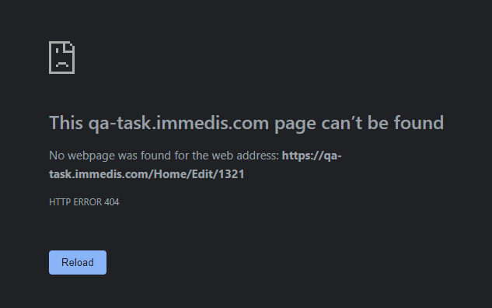
16 | The system user cannot delete user | 22 | 2 | 2 | nameSurname | new | Windows OS / Chrome 114.0.5735.134 | The system user cannot delete user | 1. Click on the "Click" button from "Delete" column for given Name | The user should be deleted | The system user cannot delete user
17 | On Books screen, there is "Index", instead of "Books screen" | 25 | 4 | 3 | nameSurname | new | Windows OS / Chrome 114.0.5735.134 | On Books screen, there is "Index", instead of "Books screen" | 1. Check the column "Name" presents and the spelling is correct 2. Check the column "Author" presents and the spelling is correct 3. Check the column "Genre" presents and the spelling is correct 4. Check the column "Quantity" presents and the spelling is correct 5. Check the column "Edit" presents, the spelling is correct and "click" button presents for every entry 6. Check the column "Details" presents, the spelling is correct and "click" button presents for every entry 7. Check the column "Delete" presents, the spelling is correct and "click" button presents for every entry 8. Check the "Add new book" button presents above the table and the spelling is correct | There is "Books Screen" title | On Books screen, there is "Index", instead of "Books screen"
18 | There is a mistake in quantity | 25 | 4 | 4 | nameSurname | new | Windows OS / Chrome 114.0.5735.134 | There is a mistake in quantity | 1. Check the column "Name" presents and the spelling is correct 2. Check the column "Author" presents and the spelling is correct 3. Check the column "Genre" presents and the spelling is correct 4. Check the column "Quantity" presents and the spelling is correct 5. Check the column "Edit" presents, the spelling is correct and "click" button presents for every entry 6. Check the column "Details" presents, the spelling is correct and "click" button presents for every entry 7. Check the column "Delete" presents, the spelling is correct and "click" button presents for every entry 8. Check the "Add new book" button presents above the table and the spelling is correct | There is no mistakes in quantity | There is a mistake in quantity | 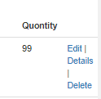
19 | On Books screen, there is "Create new", instead of "Add new book" | 25 | 4 | 4 | nameSurname | new | Windows OS / Chrome 114.0.5735.134 | On Books screen, there is "Create new", instead of "Add new book" | 1. Check the column "Name" presents and the spelling is correct 2. Check the column "Author" presents and the spelling is correct 3. Check the column "Genre" presents and the spelling is correct 4. Check the column "Quantity" presents and the spelling is correct 5. Check the column "Edit" presents, the spelling is correct and "click" button presents for every entry 6. Check the column "Details" presents, the spelling is correct and "click" button presents for every entry 7. Check the column "Delete" presents, the spelling is correct and "click" button presents for every entry 8. Check the "Add new book" button presents above the table and the spelling is correct | On Books screen, there is "Add new book" | On Books screen, there is "Create new", instead of "Add new book"
20 | There is a mistake in quantity | 27 | 4 | 4 | nameSurname | new | Windows OS / Chrome 114.0.5735.134 | There is a mistake in quantity | 1. Check the field "Name" presents and the spelling is correct 2. Check the field "Author" presents and the spelling is correct 3. Check the field "Genre" presents and the spelling is correct 4. Check the field "Quantity" presents and the spelling is correct 5. Check the button "Create" presents and the spelling is correct | There is no mistakes in quantity | There is a mistake in quantity
21 | There is no appropriate error message for empty Name, Author and Genre | 29 | 3 | 2 | nameSurname | new | Windows OS / Chrome 114.0.5735.134 | There is no appropriate error message for empty Name, Author and Genre | 1. Leave all fields Empty 2. Click on the "Create" button 3. Check is there appropriate error message appears 4. Fill valid information in the field with an error message 5. Click on the "Create" button 6. Check is there appropriate error message appears 7. Fill valid information in the field with an error message 8. Click on the "Create" button 9. Check is there appropriate error message appears 10. Fill valid information in the field with an error message 11. Click on the "Create" button 12. Check is there appropriate error message appears 13. Fill valid information in the field with an error message 14. Click on the "Create" button | An appropriate error message should appear if any field is empty. After entereng valid data in all fields, a new book should be created | There is no appropriate error message for empty Name, Author and Genre
22 | The user can create a book with Name, longer that 100 symbols | 30 | 2 | 2 | nameSurname | new | Windows OS / Chrome 114.0.5735.134 | The user can create a book with Name, longer that 100 symbols | 1. Fill invalid data for Name 2. Fill valid data for Author 3. Fill valid data for Genre 4. Fill valid data for Quantity 5. Click on the "Create" button | An appropriate error message should appear. | The user can create a book with Name, longer that 100 symbols
23 | The user can create a book with Author, longer that 100 symbols | 31 | 2 | 2 | nameSurname | new | Windows OS / Chrome 114.0.5735.134 | The user can create a book with Author, longer that 100 symbols | 1. Fill valid data for Name 2. Fill invalid data for Author 3. Fill valid data for Genre 4. Fill valid data for Quantity 5. Click on the "Create" button | An appropriate error message should appear. | The user can create a book with Author, longer that 100 symbols
24 | The user can create a book with Genre, longer that 50 symbols | 32 | 2 | 2 | nameSurname | new | Windows OS / Chrome 114.0.5735.134 | The user can create a book with Genre, longer that 50 symbols | 1. Fill valid data for Name 2. Fill valid data for Author 3. Fill invalid data for Genre 4. Fill valid data for Quantity 5. Click on the "Create" button | An appropriate error message should appear. | The user can create a book with Genre, longer that 50 symbols
25 | On Books screen, there is "Index", instead of "Books taken by the users" | 41 | 4 | 3 | nameSurname | new | Windows OS / Chrome 114.0.5735.134 | On Books screen, there is "Index", instead of "Books taken by the users" | 1. Check the column "Book" presents and the spelling is correct 2. Check the column "User" presents and the spelling is correct 3. Check the column "Data Taken" presents and the spelling is correct 4. Check the column "Edit" presents, the spelling is correct and "click" button presents for every entry 5. Check the column "Details" presents, the spelling is correct and "click" button presents for every entry 6. Check the column "Delete" presents, the spelling is correct and "click" button presents for every entry 7. Check the "Add new book" button presents above the table and the spelling is correct | There is "Books taken by the users" title | On Books screen, there is "Index", instead of "Books taken by the users"
26 | On Books screen, there is "Create new", instead of "Add new request" | 41 | 4 | 4 | nameSurname | new | Windows OS / Chrome 114.0.5735.134 | On Books screen, there is "Create new", instead of "Add new request" | 1. Check the column "Book" presents and the spelling is correct 2. Check the column "User" presents and the spelling is correct 3. Check the column "Data Taken" presents and the spelling is correct 4. Check the column "Edit" presents, the spelling is correct and "click" button presents for every entry 5. Check the column "Details" presents, the spelling is correct and "click" button presents for every entry 6. Check the column "Delete" presents, the spelling is correct and "click" button presents for every entry 7. Check the "Add new book" button presents above the table and the spelling is correct | On Books screen, there is "Add new request" | On Books screen, there is "Create new", instead of "Add new request"
27 | The colums of the table "Get a book" are not in correct order | 41 | 3 | 3 | nameSurname | new | Windows OS / Chrome 114.0.5735.134 | The colums of the table "Get a book" are not in correct order | 1. Check the column "Book" presents and the spelling is correct 2. Check the column "User" presents and the spelling is correct 3. Check the column "Data Taken" presents and the spelling is correct 4. Check the column "Edit" presents, the spelling is correct and "click" button presents for every entry 5. Check the column "Details" presents, the spelling is correct and "click" button presents for every entry 6. Check the column "Delete" presents, the spelling is correct and "click" button presents for every entry 7. Check the "Add new book" button presents above the table and the spelling is correct | The colums of the table "Get a book" are in correct order | The colums of the table "Get a book" are not in correct order | 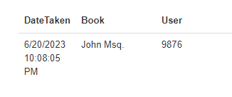 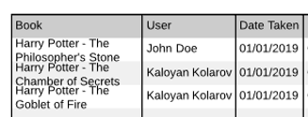
28 | There are no colums for Edit, Details and Delete in the table "Get a book" | 41 | 3 | 3 | nameSurname | new | Windows OS / Chrome 114.0.5735.134 | There is no colums for Edit, Details and Delete in the table "Get a book" | 1. Check the column "Book" presents and the spelling is correct 2. Check the column "User" presents and the spelling is correct 3. Check the column "Data Taken" presents and the spelling is correct 4. Check the column "Edit" presents, the spelling is correct and "click" button presents for every entry 5. Check the column "Details" presents, the spelling is correct and "click" button presents for every entry 6. Check the column "Delete" presents, the spelling is correct and "click" button presents for every entry 7. Check the "Add new book" button presents above the table and the spelling is correct | There are colums for Edit, Details and Delete in the table "Get a book" | There are no colums for Edit, Details and Delete in the table "Get a book" | 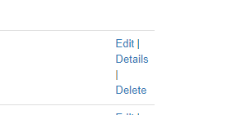 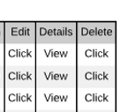
29 | Difference in Title from Mock-up and test app in Create request screen | 43 | 3 | 2 | nameSurname | new | Windows OS / Chrome 114.0.5735.134 | Difference in Title from Mock-up and test app in Create request screen | 1. Choose a book from drop-down menu 2. Choose an user from drop-down menu 3. Click on "Create" button | There should be no difference in Title from Mock-up and test app in Create request screen | Difference in Title from Mock-up and test app in Create request screen | 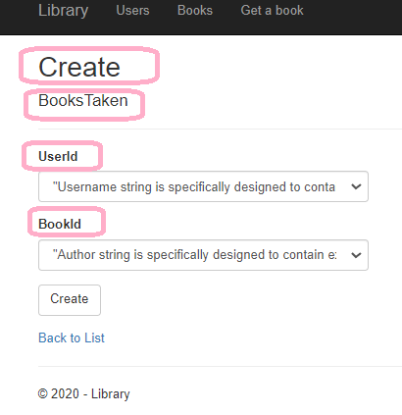 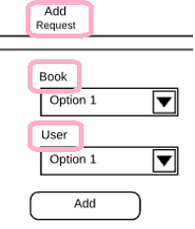
30 | In Book drop-down menu, the choices are from Autor, not from Name (book) | 43 | 1 | 2 | nameSurname | new | Windows OS / Chrome 114.0.5735.134 | In Book drop-down menu, the choices are from Autor, not from Name (book) | 1. Choose a book from drop-down menu 2. Choose an user from drop-down menu 3. Click on "Create" button | In Book drop-down menu, the choices are from Name (book) | In Book drop-down menu, the choices are from Autor, not from Name (book) | 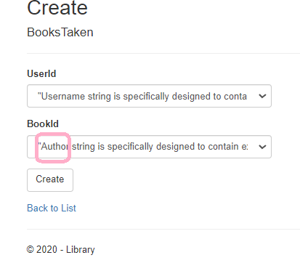
31 | Once the request is saved, the book’s quantity is not decreased | 43 | 1 | 2 | nameSurname | new | Windows OS / Chrome 114.0.5735.134 | Once the request is saved, the book’s quantity is not decreased | 1. Choose a book from drop-down menu 2. Choose an user from drop-down menu 3. Click on "Create" button | The request is stored. Once the request is saved, the book’s quantity should be decreased | Once the request is saved, the book’s quantity is not decreased
32 | Once the request is deleted, the book’s quantity is not increased | 44 | 1 | 2 | nameSurname | new | Windows OS / Chrome 114.0.5735.134 | Once the request is deleted, the book’s quantity is not increased | 1. Click on the "Click" button from "Delete" column for given Name 2. Check the confirmation message for deleting the user 3. Deny the confirmation message for deleting the user 4. Click on the "Click" button from "Delete" column for given Name 5. Accept the confirmation message for deleting the user | Once the request is deleted, the book’s quantity is increased | Once the request is deleted, the book’s quantity is not increased
33 | The system user can edit the "Date Taken" for created request | 45 | 2 | 2 | nameSurname | new | Windows OS / Chrome 114.0.5735.134 | The system user can edit the "Date Taken" for created request | 1. Click on the "View" button from "Details" column for given request 2. Choose different book 3. Choose different user 4. Click on the "Save" button | The request should be edited. Once the request is edited, the book’s quantity of the changed bok should be increased and the book's quantity of the changing book should be decreased | The system user can edit the "Date Taken" for created request
34 | When editing, the quantity is not changed | 45 | 1 | 2 | nameSurname | new | Windows OS / Chrome 114.0.5735.134 | Once the request is edited, the book’s quantity of the changed book is not increased and the book's quantity of the changing book is not decreased | 1. Click on the "View" button from "Details" column for given request 2. Choose different book 3. Choose different user 4. Click on the "Save" button | Once the request is edited, the book’s quantity of the changed bok should be increased and the book's quantity of the changing book should be decreased | Once the request is edited, the book’s quantity of the changed book is not increased and the book's quantity of the changing book is not decreased
35 | Difference in information from Mock-up and test app in Details for request screen | 46 | 3 | 3 | nameSurname | new | Windows OS / Chrome 114.0.5735.134 | Difference in information from Mock-up and test app in Details for request screen | 1. Click on the "View" button from "Details" column for given request 2. Check you are correctly redirected to URL "https://qa-task.immedis.com/Books/Details/<request_id>" 3. Check the correctness of the given request | No difference in information from Mock-up and test app in Details for request screen | Difference in information from Mock-up and test app in Details for request screen | 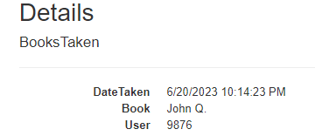 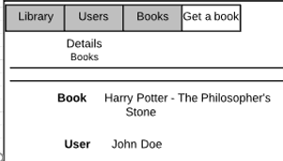
POSTMAN - API Testing

1 | There is no Example Response for body of the responses |  | 2 | 2 | nameSurname | new | Postman document | There is no Example Response for body of the responses | 1. Check the API Document | There are Example Responses for body of the responses | There is no Example Response for body of the responses
2 | There is no request for update existing book request. |  | 2 | 2 | nameSurname | new | Postman document | There is no request for update existing book request. | 1. Check the API Document | There is request for update existing book request. | There is no request for update existing book request.
3 | Incorrect status for POST request for creating a new User |  | 2 | 2 | nameSurname | new | Postman | Incorrect status for POST request for creating a new User | 1. Check provided project | Correct status for POST request for creating a new User | Incorrect status for POST request for creating a new User
4 | Incorrect status for PUT request for updating an User |  | 2 | 2 | nameSurname | new | Postman | Incorrect status for PUT request for updating an User | 1. Check provided project | Correct status for PUT request for updating an User | Incorrect status for PUT request for updating an User
5 | Incorrect status for DELETE request for deleting an User |  | 2 | 2 | nameSurname | new | Postman | Incorrect status for DELETE request for deleting an User | 1. Check provided project | Correct status for DELETE request for deleting an User | Incorrect status for DELETE request for deleting an User
6 | Incorrect status for POST request for creating a new Book |  | 2 | 2 | nameSurname | new | Postman | Incorrect status for POST request for creating a new Book | 1. Check provided project | Correct status for POST request for creating a new Book | Incorrect status for POST request for creating a new Book
7 | Incorrect status for PUT request for updating a Book |  | 2 | 2 | nameSurname | new | Postman | Incorrect status for PUT request for updating a Book | 1. Check provided project | Correct status for PUT request for updating a Book | Incorrect status for PUT request for updating a Book
8 | Incorrect status for DELETE request for deleting a Book |  | 2 | 2 | nameSurname | new | Postman | Incorrect status for DELETE request for deleting a Book | 1. Check provided project | Correct status for DELETE request for deleting a Book | Incorrect status for DELETE request for deleting a Book
9 | Incorrect status for POST request for creating a new Book request |  | 2 | 2 | nameSurname | new | Postman | Incorrect status for POST request for creating a new Book request | 1. Check provided project | Correct status for POST request for creating a new Book request | Incorrect status for POST request for creating a new Book request
10 | Incorrect status for DELETE request for deleting a Book request |  | 2 | 2 | nameSurname | new | Postman | Incorrect status for DELETE request for deleting a Book request | 1. Check provided project | Correct status for DELETE request for deleting a Book request | Incorrect status for DELETE request for deleting a Book request

